RP_TC_001
STEP | PROCESS | RP_TC_001
1 | Cash in Bank Book Form | 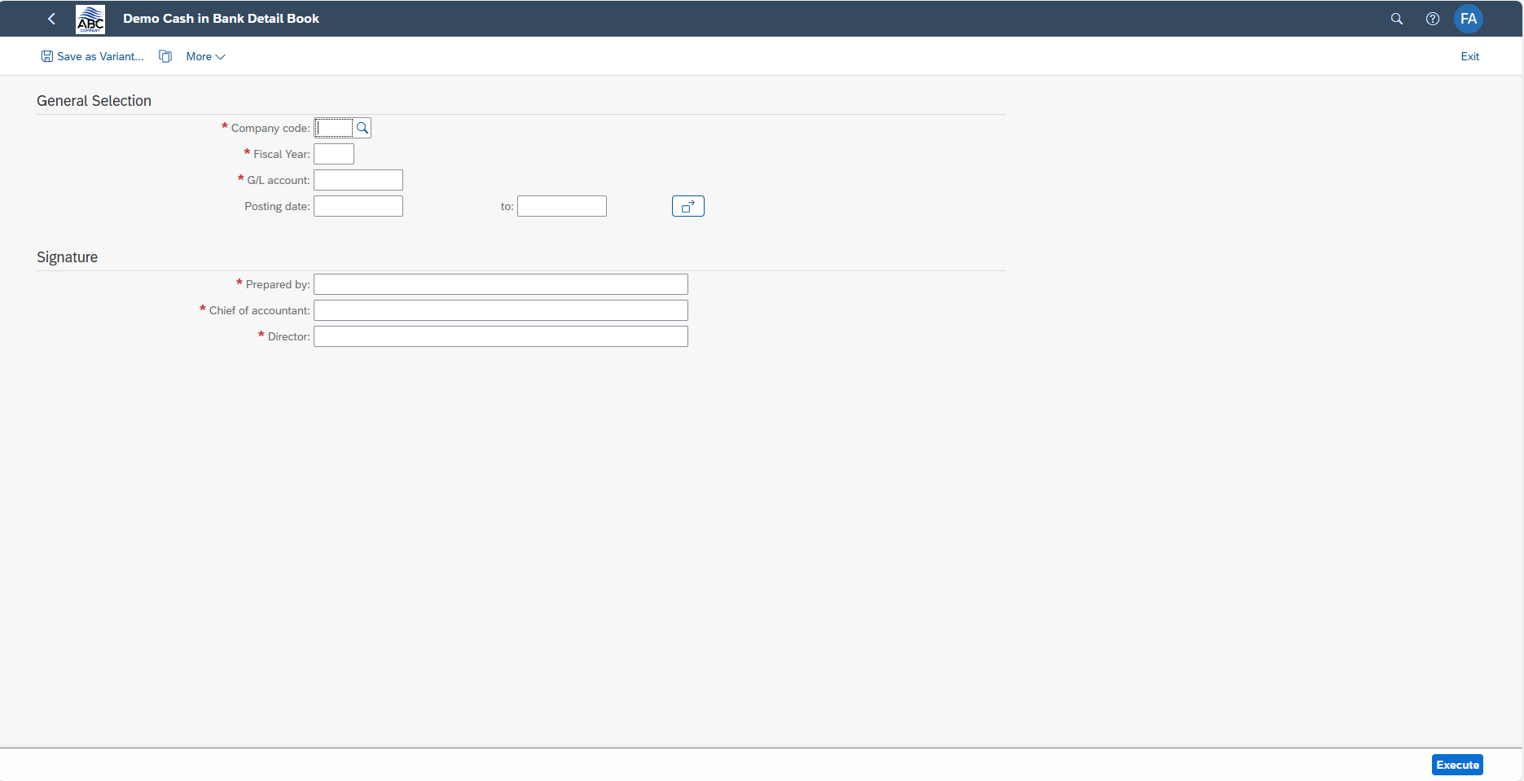
2 | Fill out all required entry fields | 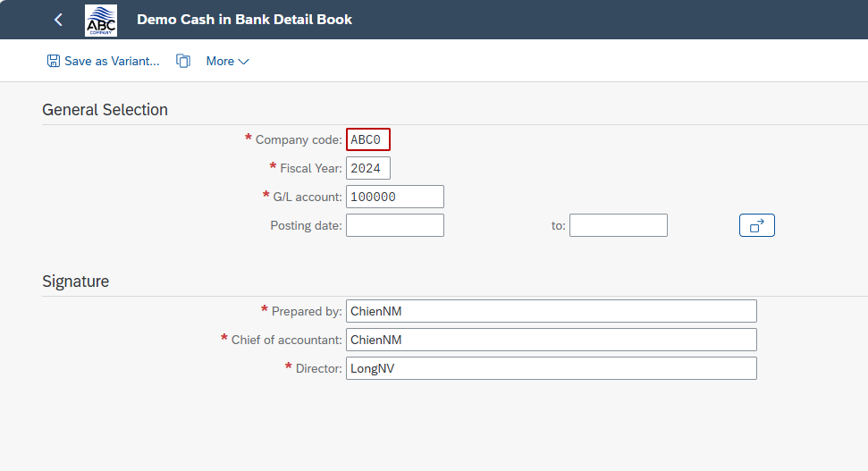
3 | Print Preview | 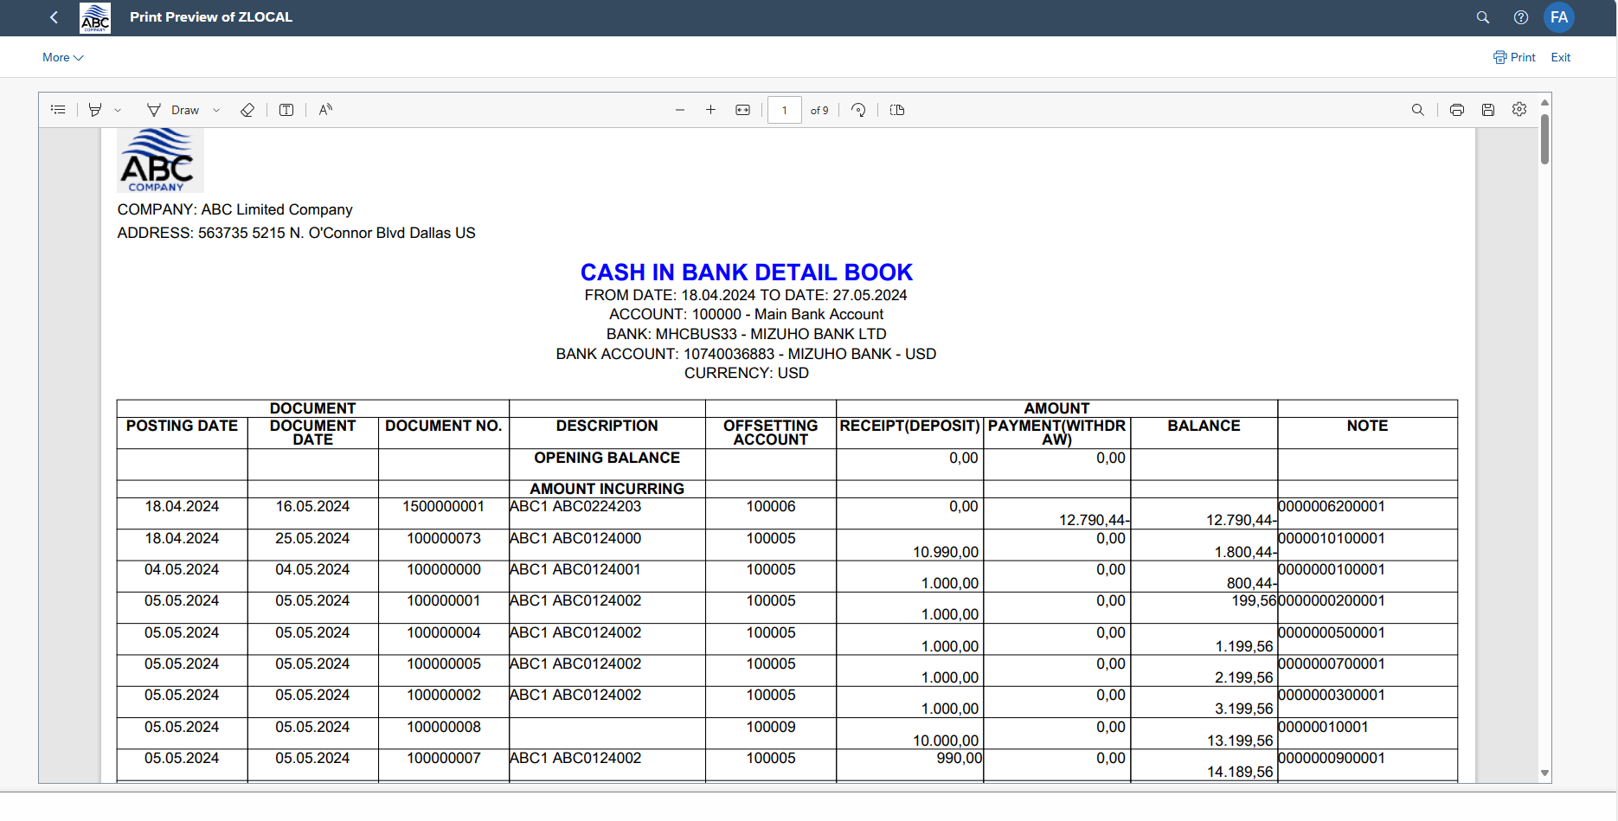 | 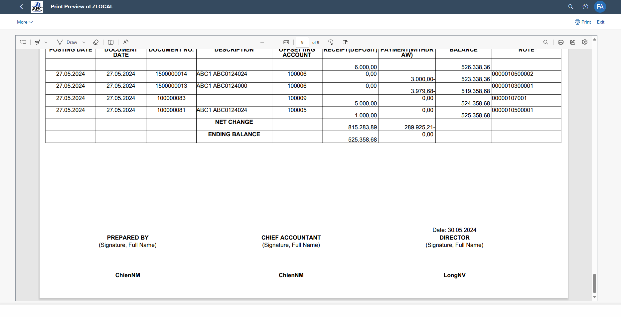
 | Save

